gocertify x HOKA
HOKA x GOCERTIFY COMMERCIALS

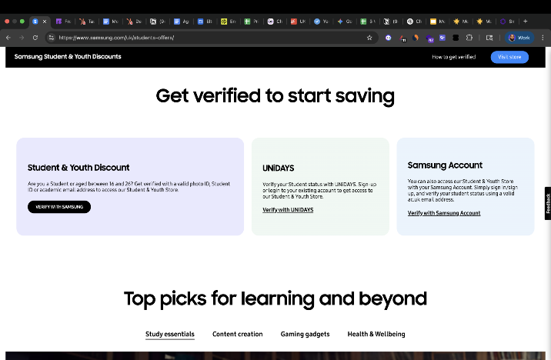
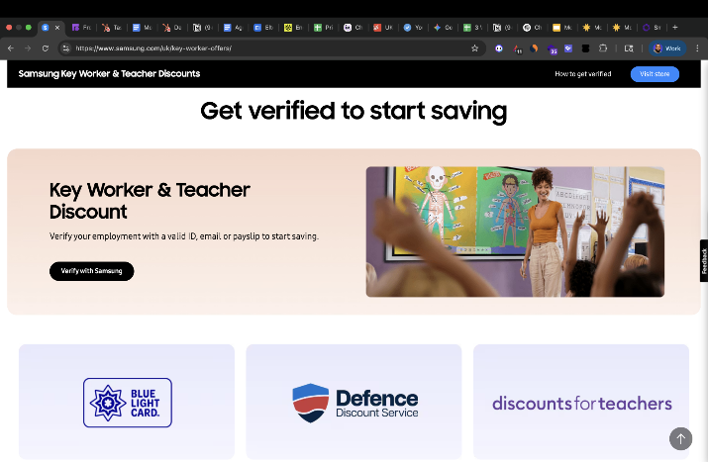
Annual drawdown model | Metric | Verification cap | Cost per verification | Brand examples
Verifications | 15000 | 15,000 | 1.49 | https://www.footasylum.com/key-worker-discount/
Cvr | 35% | 25,000 | 1.45 | https://secure.gocertify.me/at/puma/student
Sales | 5250 | 50,000 | 1.41 | https://www.footlocker.co.uk/en/youth-discount.html
AOV | 150 | 100,000 | 1.35 | https://www.samsung.com/uk/key-worker-offers/
Revenue | £787,500.00 | 150,000 | 1.29 | https://www.samsung.com/uk/students-offers/
Cost | £22,350.00 | 200,000 | 1.22
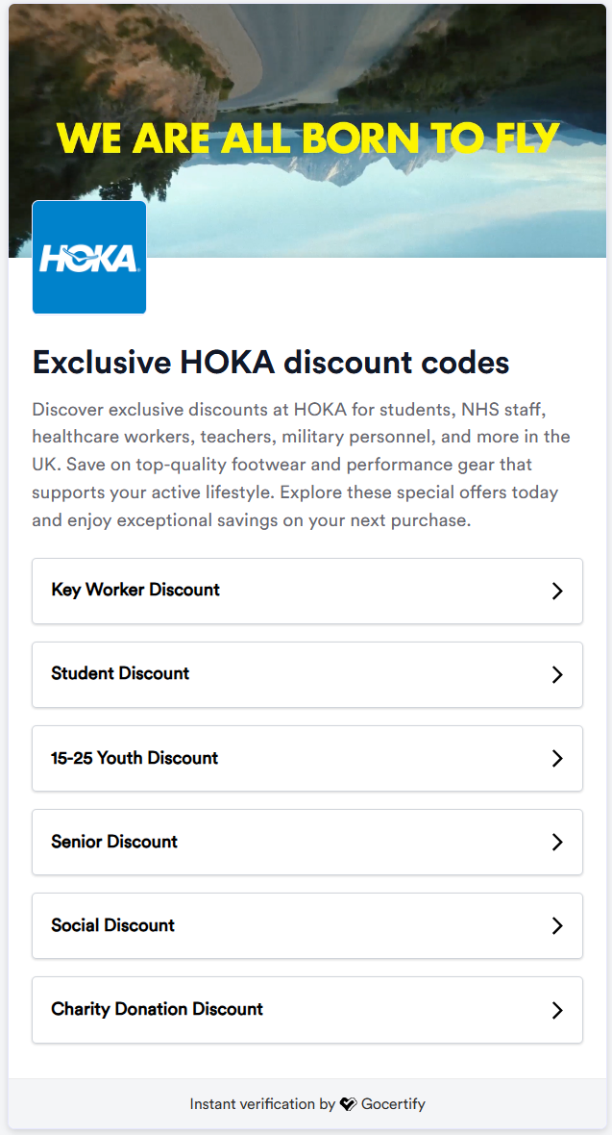
ROAS | £35.23 |  |  | Case studies
CPV | £1.49 |  |  | https://www.gocertify.me/resources/customer-stories/footasylum
CPA % eq | 2.84% |  |  | https://www.gocertify.me/resources/customer-stories/simba-sleep
Network (AWIN) override | £4,470.00 |  |  | https://www.gocertify.me/resources/customer-stories/samsung
Total cost | £26,820.00
Total cost ROAS | £29.36 |  |  | CRM info
 |  |  |  | With Gocertify, you'll be able to capture first-party data with each verification, which will automatically push to your CRM. From there, you can use the data to retarget, remarket, basket abandonment flows, and personalised SMS/email campaigns for students and key workers. We have a native integration with Attentive; however, connecting directly with Cordial and Dynamic Yield will require building webhooks. As discussed, you'll be able to use custom fields to capture activity preferences from verified shoppers, as you're currently doing with your newsletter signups. Gocertify can share their marketing calendar, which can give you ideas of the kinds of campaigns you can run for students and key workers from the data you're collecting via Gocertify.

CPA % model | Metric
Verifications | 15000
Cvr | 35%
Sales | 5250
AOV | 150 |  |  |  |  |  | https://docs.gocertify.me/section/captureData/attentive
Revenue | £787,500.00 |  |  |  |  |  | https://docs.gocertify.me/section/captureData/webhooksZapier
Cost | £39,375.00
ROAS | £20.00 |  |  |  |  |  | https://docs.gocertify.me/section/captureData/customFields
CPV | £2.63
CPA % eq | 5.00%
Network (AWIN) override | £7,875.00
Total cost | £47,250.00
Total cost ROAS | £16.67

 |  |  |  | Additional info
 |  |  |  | << Sample iFrame | https://secure.gocertify.me/at/hoka-1c4b20ec-1e15-4397-9ef7-82e0733a9f05
 |  |  |  | Integration options
 |  |  |  | GTM | https://docs.gocertify.me/section/gettingStarted/integrateOnSite#google-tag-manager
 |  |  |  | AWIN | https://docs.gocertify.me/section/gettingStarted/integrateOnSite#awin-mastertag | We may be able to do this without any tech integration using the AWIN master tag you already have installed
 |  |  |  | Manually | https://docs.gocertify.me/section/gettingStarted/integrateOnSite#add-script-to-head

