Benefit Assumption
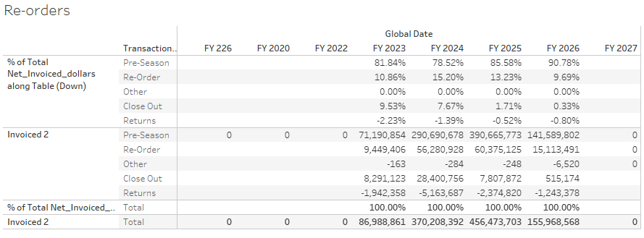
 | Total Sales for B24 confirmed Customers | 101,254,814

1 | OP Increase (from higher sales) | Assumptions |  | 10% | 20% | 50% | 70% | 1 | Drivers:
 | FY25 Units | 1,618,190 | Re-Order Units Increase | 19,418 | 38,837 | 97,091 | 135,928 |  | Sales acceleration over and above plan | 1. Better inventory availability, timely read on best sellers, live read on sell through
 | FY 25 ASP | 73 | USD Planned Rate | 1,417,534 | 2,835,069 | 7,087,672 | 9,922,741 |  |  | 2. Better read from customer on sell through
 | % Re-orders of Total Sales | 12.0% |  | 1% | 3% | 5% | 10% |  |  | 3. Short term: increased re-orders for styles that are successful 15% of total Wholesale Transactions
 | Total Re-order Units | 194,183 | Pre-season Units Increase | 13,949 | 41,846 | 69,744 | 139,488 |  |  | 4. Long term: better seasonal planning e.g. styles that perform better at specific times of the year
 | % of Total Sales Pre-season | 86.2% | US Planned Rate | 1,018,262 | 3,054,787 | 5,091,311 | 10,182,622
 | Total Pre-season Sales | 1,394,880 |  | Totals
 | Margin % | 55% | Gross Sales | 2,435,797 | 5,889,856 | 12,178,983 | 20,105,363
 |  |  | Net Sales | 1,339,688 | 3,239,421 | 6,698,441 | 11,057,950

2 | Wholesale Close out Assumptions | Assumptions |  | Even | 25% | 50% | 75%
 | Close out % of overall Sales | 1.80% |  | 0 | 91,129 | 182,259 | 273,388
 | Close out Margin | 35%
 | Full Price Margin | 55%
 | Margin Improvement | 35->55%
 | Margin increase | 20.0%
 | Total Close out Sales | 1,822,587

3 | Residual Inventory Proportion (Written Off) | Assumptions |  | Even | Worst | Likely | Best
 | Total Orders Residual | 1% | Redution in Residual Inventory | No reduction | 20% | 50% | 75%
 | Total Orders | 101,254,814 | Residual Units | 13,871 | 11,096 | 6,935 | 3,468
 | ASP | 73 | Total Cost USD | 457,727 | 366,182 | 228,864 | 114,432
 | Residual Units | 13,871 | Upside | - | 91,545 | 228,864 | 343,295
 | COGS+Warehouse Cost | 33

4 | Labour Savings from Order Automation | Assumptions |  | Even | Worst | Likely | Best
 | Cost of FTE Per annum CS | 50,000 |  |  |  | 50,000

5 | Reduced Chargebacks | Assumptions |  | Even | Worst | Likely | Best | 5 | Drivers:
 | Total Chargeback Fee's per annum (Adjusted for b24 Customers) | 1,008,500 |  |  | 10% | 25% | 50% |  | Reduction in Admin/Penalty Charges VAS and Non-compliance
 |  |  |  |  | 100,850 | 252,125 | 504,250

